ADRIAN
 |  |  |  |  | CTRL #1 | 0,5 µM #1 | 5 µM #1 | CTRL #2 | 0,5 µM #2 | 5 µM #2 | CTRL #3 | 0,5 µM #3 | 5 µM #3 | STANDARD CURVE AND BLANK
 |  | ADRNOR | ADRNOR | %BLANK | 4 | 5 | 6 | 7 | 8 | 9 | 10 | 11 | 12 |  | Average of #3 | %blank | 215.97 | 565.198 | 304.809
 | CONTROL | 0.5 | 5 | A | 45254.390667 | 52108.460667 | 90091.819667 | 49264.194667 | 47996.640667 | 82721.452667 | 36090.905667 | 38037.054667 | 95998.319667 | 125 | 361.99233333 | 167661.25733 | 274.175 | 5134.27 | 447.257
 | 43852.694889 | 48395.794333 | 86445.281889 | B | 46914.569667 | 51221.171667 | 95169.765667 | 50054.093667 | 53767.108667 | 72972.101667 | 41515.108667 | 46572.952667 | 97080.374667 | 100 | 1951.9006667 | 166071.349 | 10760.215 | 4541.5 | 5844.98
STDEV | 4094.3926729 | 1580.7354298 | 7414.0457701 | C | 44997.788667 | 44218.702667 | 84969.046667 | 40717.468667 | 46521.936667 | 78053.140667 | 39865.733667 | 46579.132667 | 80951.515667 | 75 | 7048.8983333 | 160974.35133 | 75244.922 | 50800.473 | 51086.898
 |  |  |  | D | 56770.585667 | 58486.421667 | 93874.390667 |  | 52654.124667 | 76899.976667 | 40680.366667 | 48797.366667 | 90218.577667 | 50 | 59044.097667 | 108979.152 | 116688.219 | 110389.852 | 111969.039
 |  |  |  | E |  | 67201.632667 | 101220.02267 |  | 59206.765667 | 91600.515667 |  | 44589.694667 |  | 25 | 113015.70333 | 55007.546333 | 158704.375 | 135963.172 | 151451.75
cAMP assay on HLMVEC
 | Untreated | 0,5 µM ADR:NOR | 5 µM ADR:NOR
 | 43852.694889 | 48395.794333 | 86445.281889
 |  |  |  | F | 50077.280667 |  | 83792.694667 | 42014.397667 | 43918.819667 |  |  | 43136.647667 | 89708.460667 | 10 | 148706.43233 | 19316.817333 | 156710.094 | 139623.937 | 153683.437
 |  |  |  | G |  | 57481.655667 | 89009.757667 | 40689.640667 | 55597.327667 | 75504.116667 | 43370.061667 |  | 84862.382667 | 5 | 150005.82267 | 18017.427 | 185043.531 | 150264.687 | 168761.531
 |  |  |  | H | 57653.233667 | 58916.155667 | 91428.937667 | 42244.726667 | 51085.140667 | 76017.327667 | 39286.061667 |  | 98238.179667 | 0 | 168023.24967 | 0

 |  |  |  |  | SQUARE INDICATES THE BIOLOGICAL REPLICATE
 |  |  |  |  | DELETED SOME VALUES THAT WERE NOT IN LINE WITH OTHER VALUES
cAMP standard curve
125 | 167661.25733
100 | 166071.349
75 | 160974.35133
50 | 108979.152
25 | 55007.546333
10 | 19316.817333
5 | 18017.427
0 | 0

 |  |  |  | RAW DATA
 |  |  |  | %BLANK | 4 | 5 | 6 | 7 | 8 | 9 | 10 | 11 | 12
 |  |  |  | A | 45254.390667 | 52108.460667 | 90091.819667 | 49264.194667 | 47996.640667 | 82721.452667 | 36090.905667 | 38037.054667 | 95998.319667
 |  |  |  | B | 46914.569667 | 51221.171667 | 95169.765667 | 50054.093667 | 53767.108667 | 72972.101667 | 41515.108667 | 46572.952667 | 97080.374667
 |  |  |  | C | 44997.788667 | 44218.702667 | 84969.046667 | 40717.468667 | 46521.936667 | 78053.140667 | 39865.733667 | 46579.132667 | 80951.515667
 |  |  |  | D | 56770.585667 | 58486.421667 | 93874.390667 | 58358.116667 | 52654.124667 | 76899.976667 | 40680.366667 | 48797.366667 | 90218.577667
 |  |  |  | E | 71491.226667 | 67201.632667 | 101220.02267 | 68285.241667 | 59206.765667 | 91600.515667 | 63000.155667 | 44589.694667 | 67326.843667
 |  |  |  | F | 50077.280667 | 41278.601667 | 83792.694667 | 42014.397667 | 43918.819667 | 67077.968667 | 28825.640667 | 43136.647667 | 89708.460667
 |  |  |  | G | 66267.976667 | 57481.655667 | 89009.757667 | 40689.640667 | 55597.327667 | 75504.116667 | 43370.061667 | 37199.233667 | 84862.382667
 |  |  |  | H | 57653.233667 | 58916.155667 | 91428.937667 | 42244.726667 | 51085.140667 | 76017.327667 | 39286.061667 | 26690.890667 | 98238.179667

RESULTS
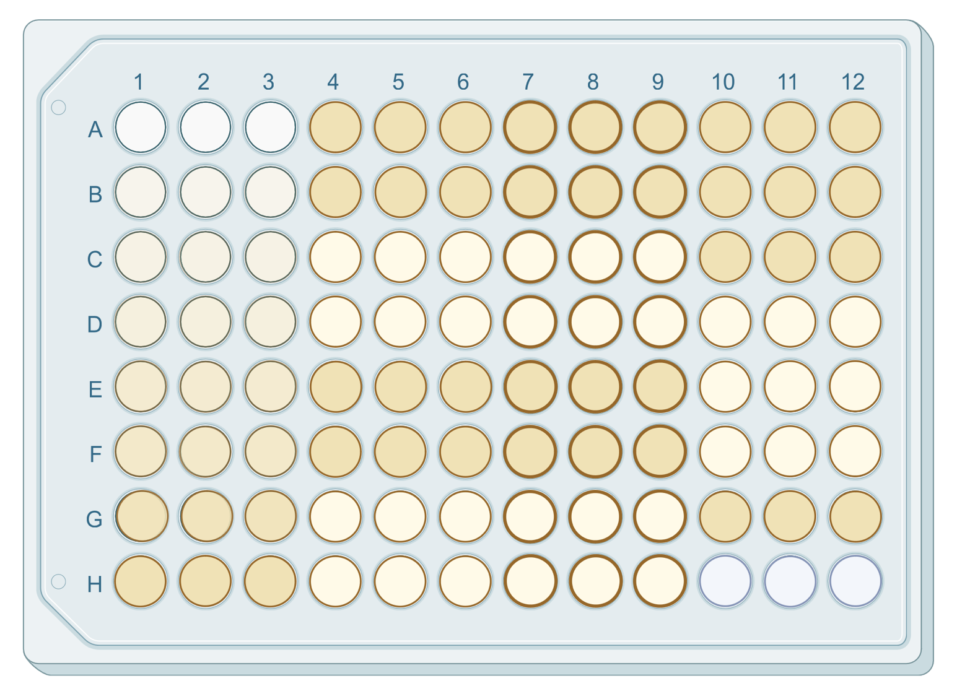

RAWDATA | 1 | 2 | 3 | 4 | 5 | 6 | 7 | 8 | 9 | 10 | 11 | 12
A | 214.866 | 312.251 | 253.511 | 122768.859 | 115914.789 | 77931.43 | 118759.055 | 120026.609 | 85301.797 | 131932.344 | 129986.195 | 72024.93
B | 214.866 | 1678.737 | 290.61 | 121108.68 | 116802.078 | 72853.484 | 117969.156 | 114256.141 | 95051.148 | 126508.141 | 121450.297 | 70942.875
C | 4204.572 | 1924.519 | 2422.266 | 123025.461 | 123804.547 | 83054.203 | 127305.781 | 121501.313 | 89970.109 | 128157.516 | 121444.117 | 87071.734
D | 28130.439 | 18990.135 | 20390.627 | 111252.664 | 109536.828 | 74148.859 | 109665.133 | 115369.125 | 91123.273 | 127342.883 | 119225.883 | 77804.672
E | 45922.582 | 42959.285 | 42614.574 | 96532.023 | 100821.617 | 66803.227 | 99738.008 | 108816.484 | 76422.734 | 105023.094 | 123433.555 | 100696.406
F | 60232.035 | 52608.16 | 59131.426 | 117945.969 | 126744.648 | 84230.555 | 126008.852 | 124104.43 | 100945.281 | 139197.609 | 124886.602 | 78314.789
G | 57942.711 | 51575.566 | 61164.156 | 101755.273 | 110541.594 | 79013.492 | 127333.609 | 112425.922 | 92519.133 | 124653.188 | 130824.016 | 83160.867
H | 71980.102 | 58823.812 | 65037.926 | 110370.016 | 109107.094 | 76594.312 | 125778.523 | 116938.109 | 92005.922 | 128737.188 | 141332.359 | 69785.07

 |  | Average of #3 | %blank |  | 215.97 | 565.198 | 304.809
 | 125 | 361.99233333 | 167661.25733 |  | 274.175 | 5134.27 | 447.257
 | 100 | 1951.9006667 | 166071.349 |  | 10760.215 | 4541.5 | 5844.98
 | 75 | 7048.8983333 | 160974.35133 |  | 75244.922 | 50800.473 | 51086.898
 | 50 | 59044.097667 | 108979.152 |  | 116688.219 | 110389.852 | 111969.039
 | 25 | 113015.70333 | 55007.546333 |  | 158704.375 | 135963.172 | 151451.75
 | 10 | 148706.43233 | 19316.817333 |  | 156710.094 | 139623.937 | 153683.437
 | 5 | 150005.82267 | 18017.427 |  | 185043.531 | 150264.687 | 168761.531
 | 0 | 168023.24967 | 0 |  |  |  |  |  |  |  |  |  |  |  |  |  |  |  |  |  |  |  |  |  |  |  | #VALUE!
 |  |  |  |  |  |  |  |  |  |  |  |  |  |  |  |  |  |  |  |  |  |  |  |  |  |  | 0.8880171007 | 0.0000000000127043
 |  |  |  |  |  |  |  |  |  |  |  |  |  |  |  |  |  |  | 45722.249667 | 49182.778333 | 90076.877333 | 46678.585667 | 49428.562 | 77915.565 | 39157.249333 | 46576.042667 | 91343.403333

cAMP standard curve
 |  |  |  |  |  |  |  | %BLANK | 4 | 5 | 6 | 7 | 8 | 9 | 10 | 11 | 12 |  | ctrl | 0.5 | 5
 |  |  |  |  |  |  |  | A | 45254.390667 | 52108.460667 | 90091.819667 | 49264.194667 | 47996.640667 | 82721.452667 | 36090.905667 | 38037.054667 | 95998.319667 |  | 43852.694889 | 48395.794333 | 86445.281889
 |  |  |  |  |  |  |  | B | 46914.569667 | 51221.171667 | 95169.765667 | 50054.093667 | 53767.108667 | 72972.101667 | 41515.108667 | 46572.952667 | 97080.374667 | stdev | 4094.3926729 | 1580.7354298 | 7414.0457701
 |  |  |  |  |  |  |  | C | 44997.788667 | 44218.702667 | 84969.046667 | 40717.468667 | 46521.936667 | 78053.140667 | 39865.733667 | 46579.132667 | 80951.515667
 |  |  |  |  |  |  |  | D | 56770.585667 | 58486.421667 | 93874.390667 | 58358.116667 | 52654.124667 | 76899.976667 | 40680.366667 | 48797.366667 | 90218.577667
 |  |  |  |  |  |  |  | E | 71491.226667 | 67201.632667 | 101220.02267 | 68285.241667 | 59206.765667 | 91600.515667 | 63000.155667 | 44589.694667 | 67326.843667
cAMP assay on HLMVEC
 |  |  |  |  |  |  |  | F | 50077.280667 | 41278.601667 | 83792.694667 | 42014.397667 | 43918.819667 | 67077.968667 | 28825.640667 | 43136.647667 | 89708.460667
 |  |  |  |  |  |  |  | G | 66267.976667 | 57481.655667 | 89009.757667 | 40689.640667 | 55597.327667 | 75504.116667 | 43370.061667 | 37199.233667 | 84862.382667
 |  |  |  |  |  |  |  | H | 57653.233667 | 58916.155667 | 91428.937667 | 42244.726667 | 51085.140667 | 76017.327667 | 39286.061667 | 26690.890667 | 98238.179667

 |  |  |  |  |  |  |  |  | CTRL1 | 05 1 | 5 1 | CTRL 2 | 05 2 | 5 2 | CTRL 3 | 05 3 | 5 3
 |  |  |  |  |  |  |  |  | 54928.381542 | 53864.100292 | 91194.554417 | 48953.485042 | 51343.483042 | 77605.825042 | 41579.254292 | 41450.371667 | 88048.081792
cAMP assay on EA.hy926 wild-type

 |  |  |  | 0h change after treatment |  |  |  |  |  | CTRL | 0.5 | 5
 |  |  |  | 0 | 86,28 nM |  |  |  |  | 48487.040292 | 48885.985 | 85616.15375
 |  |  |  | 0 | -68.62 | change in nM
 |  |  |  |  | 36.09 | ctrl nM |  |  | 45722.249667 | 49182.778333 | 90076.877333 | 46678.585667 | 49428.562 | 77915.565 | 39157.249333 | 43729.713333 | 91343.403333
 |  |  |  |  | 113.54 | treatment nM

 |  |  |  |  |  |  |  |  |  | ctrl | adr
 |  |  |  |  |  |  |  |  |  | 54928.381542 | 91194.554417
 |  |  |  |  |  |  |  |  |  | 48953.485042 | 77605.825042
 |  |  |  |  |  |  |  |  |  | 41579.254292 | 88048.081792
cAMP assay on EA.hy926 wild-type
 | Untreated | 5 µM Adrenaline:Noradrenaline
 | 68103.279583 | 261587.855
 | 161336.20717 | 268841.71267
 | 256483.2565 | 271859.55933
cAMP assay on EA.hy926 wild-type
 |  |  |  |  |  |  |  |  |  | 0.0093902951454

 |  |  |  |  |  |  |  |  |  |  |  |  |  |  |  |  |  |  | 68103.279583
 |  |  |  |  |  |  |  |  |  |  |  |  |  |  |  |  |  |  | 261587.855
 |  |  |  |  |  |  |  |  |  |  |  |  |  |  |  |  |  |  | 161336.20717
 |  |  |  |  |  |  |  |  |  |  |  |  |  |  |  |  |  |  | 268841.71267
 |  |  |  |  |  |  |  |  |  |  |  |  |  |  |  |  |  |  | 256483.2565
 |  |  |  |  |  |  |  |  |  |  |  |  |  |  |  |  |  |  | 271859.55933

cAMP assay on EA.hy926 wild-type
 |  |  |  |  |  |  |  |  | STDEV | CTRL | 5 ADR | 0,5 ADR
 |  |  |  |  |  |  |  |  |  | 6686.7763244 | 7113.3042256 | 18371.113926

cAMP assay on HLMVEC
cAMP assay on HLMVEC
cAMP assay on EA.hy926 wild-type

